Front page
AR Magazine Index Search - 1933 to 2012

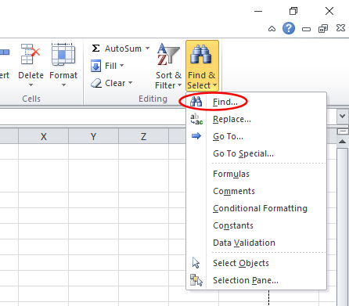
To Search in all pages of the spreadsheet:-

1. Select 'Find & Select' in the top right corner and click find in
the drop down list

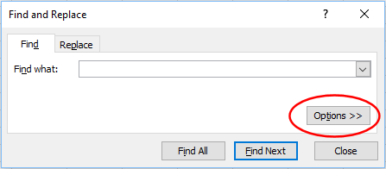

2. Click 'Options' in the search box

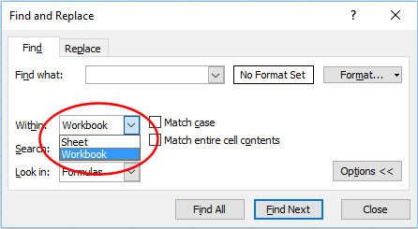

3. Click the dropdown next to the 'Within' option and select
'Workbook'. Enter your search text in the 'Find what:' box and
click 'Find All' to find all items that match your search

